Sheet1
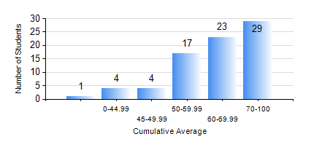
 |  |  | KWAME NKRUMAH UNIVERSITY OF SCIENCE AND TECHNOLOGY, KUMASI Department of Computer Engineering

 |  |  | BSC. BIOMEDICAL ENG.

 |  |  | COMPREHENSIVE RECORD OF EXAMINATION RESULTS

 |  |  | RESULTS OF YEAR 3 FIRST SEMESTER, 2022/2023 ACADEMIC YEAR

 | Sn | Course Code |  | Course Name | Credit Hours | Min. Mark | Max. Mark | Avg. Mark | Std. Dev. | No. Passed | No. Trailed | No. (Df) | No. (I) | No. (I*) | No. Tagged(I,I*,Df) | Total
 | 0. |  |  |  |  |  |  | 0 | 0 | 0 | 0 | 0 | 0 | 0 | 0 | 3
 | 1. | BME 397 |  | RESEARCH METHODS | 3 | 20 | 87 | 63 | 12.58 | 73 | 2 | 0 | 0 | 0 | 0 | 75
 | 2. | COE 351 |  | OBJECT ORIENTED PROGRAMMING | 4 | 9 | 99 | 64 | 22.4 | 66 | 9 | 0 | 0 | 0 | 0 | 75
 | 3. | COE 371 |  | LINEAR ELECTRONIC CIRCUITS | 3 | 14 | 90 | 56 | 15.73 | 70 | 5 | 0 | 0 | 0 | 0 | 75
 | 4. | COE 381 |  | MICROPROCESSORS | 3 | 41 | 96 | 74 | 14.82 | 75 | 0 | 0 | 0 | 0 | 0 | 75
 | 5. | MATH 351 |  | NUMERICAL METHODS | 2 | 20 | 89 | 62 | 14.68 | 73 | 2 | 0 | 0 | 0 | 0 | 75
 | 6. | STAT 253 |  | PROBABILITY AND STATISTICS | 2 | 43 | 95 | 68 | 13.4 | 75 | 0 | 0 | 0 | 0 | 0 | 75
 | 7. | TE 385 |  | SIGNALS AND SYSTEMS | 3 | 5 | 91 | 68 | 17.92 | 69 | 6 | 0 | 0 | 0 | 0 | 75

